intel
Date | Open | High | Low | Close | Adj Close | Volume
2/4/2026 | 49.54 | 49.70 | 47.00 | 47.45 | 47.45 | 62,999,975.00 | Intel Corporation (INTC)
2/2/2026 | 45.63 | 51.49 | 45.50 | 49.25 | 49.25 | 223,289,700.00
1/26/2026 | 44.28 | 49.58 | 42.28 | 46.47 | 46.47 | 712,411,800.00
1/19/2026 | 47.30 | 54.60 | 44.45 | 45.07 | 45.07 | 855,460,100.00
1/12/2026 | 44.24 | 50.39 | 43.89 | 46.96 | 46.96 | 678,514,900.00
1/5/2026 | 41.59 | 45.73 | 38.95 | 45.55 | 45.55 | 604,022,300.00
12/29/2025 | 36.01 | 39.86 | 35.82 | 39.38 | 39.38 | 246,918,700.00
12/22/2025 | 37.89 | 37.90 | 34.95 | 36.20 | 36.20 | 153,866,600.00
12/15/2025 | 38.33 | 38.48 | 35.67 | 36.82 | 36.82 | 398,870,500.00
12/8/2025 | 41.94 | 42.12 | 37.62 | 37.81 | 37.81 | 378,687,000.00
12/1/2025 | 39.86 | 44.02 | 39.60 | 41.41 | 41.41 | 544,590,100.00
11/24/2025 | 34.97 | 40.59 | 34.68 | 40.56 | 40.56 | 316,370,400.00
11/17/2025 | 35.45 | 36.68 | 32.89 | 34.50 | 34.50 | 403,231,200.00
11/10/2025 | 38.93 | 39.53 | 34.62 | 35.52 | 35.52 | 352,747,600.00
11/3/2025 | 40.25 | 40.45 | 36.63 | 38.13 | 38.13 | 411,300,700.00
10/27/2025 | 38.39 | 42.48 | 38.23 | 39.99 | 39.99 | 613,553,800.00
10/20/2025 | 37.57 | 41.12 | 36.04 | 38.28 | 38.28 | 608,819,200.00
10/13/2025 | 36.44 | 38.38 | 34.69 | 37.01 | 37.01 | 523,924,200.00
10/6/2025 | 37.19 | 39.65 | 35.91 | 36.37 | 36.37 | 599,376,400.00
9/29/2025 | 34.52 | 38.08 | 33.02 | 36.83 | 36.83 | 714,795,000.00
9/22/2025 | 29.67 | 36.30 | 28.73 | 35.50 | 35.50 | 985,383,500.00
9/15/2025 | 24.33 | 32.38 | 24.22 | 29.58 | 29.58 | 956,992,800.00
9/8/2025 | 24.48 | 24.93 | 24.05 | 24.08 | 24.08 | 263,078,700.00
9/1/2025 | 23.88 | 24.71 | 23.68 | 24.49 | 24.49 | 220,516,500.00
8/25/2025 | 25.50 | 25.88 | 24.05 | 24.35 | 24.35 | 450,087,700.00
8/18/2025 | 24.00 | 26.53 | 22.78 | 24.80 | 24.80 | 969,309,300.00
8/11/2025 | 20.45 | 25.65 | 20.44 | 24.56 | 24.56 | 893,937,200.00
8/4/2025 | 19.52 | 20.54 | 19.35 | 19.95 | 19.95 | 440,459,600.00
7/28/2025 | 20.82 | 21.29 | 18.97 | 19.31 | 19.31 | 431,518,700.00
7/21/2025 | 23.40 | 23.83 | 20.36 | 20.70 | 20.70 | 561,380,500.00
7/14/2025 | 23.24 | 23.78 | 22.25 | 23.10 | 23.10 | 282,965,400.00
7/7/2025 | 22.21 | 24.04 | 21.86 | 23.43 | 23.43 | 374,486,100.00
6/30/2025 | 22.97 | 23.16 | 21.52 | 22.49 | 22.49 | 355,618,600.00
6/23/2025 | 21.07 | 23.38 | 20.73 | 22.69 | 22.69 | 435,576,500.00
6/16/2025 | 20.41 | 21.89 | 20.30 | 21.08 | 21.08 | 401,930,700.00
6/9/2025 | 20.22 | 22.44 | 20.10 | 20.14 | 20.14 | 576,967,200.00
6/2/2025 | 19.48 | 20.55 | 19.37 | 20.06 | 20.06 | 361,985,100.00
5/26/2025 | 20.44 | 20.67 | 19.31 | 19.55 | 19.55 | 296,255,200.00
5/19/2025 | 21.18 | 21.63 | 19.94 | 20.05 | 20.05 | 299,964,800.00
5/12/2025 | 22.18 | 22.88 | 21.19 | 21.66 | 21.66 | 385,514,500.00
5/5/2025 | 20.39 | 21.45 | 19.77 | 21.42 | 21.42 | 279,990,700.00
4/28/2025 | 20.12 | 21.08 | 19.55 | 20.62 | 20.62 | 370,859,600.00
4/21/2025 | 18.93 | 21.55 | 18.25 | 20.05 | 20.05 | 517,761,000.00
4/14/2025 | 20.59 | 21.05 | 18.56 | 18.93 | 18.93 | 341,137,700.00
4/7/2025 | 19.14 | 21.73 | 17.67 | 19.74 | 19.74 | 788,148,100.00
3/31/2025 | 22.38 | 23.90 | 19.70 | 19.85 | 19.85 | 606,758,000.00
3/24/2025 | 24.72 | 24.99 | 22.56 | 22.71 | 22.71 | 296,494,900.00
3/17/2025 | 24.42 | 26.41 | 23.49 | 24.26 | 24.26 | 591,752,100.00
3/10/2025 | 20.24 | 24.53 | 19.29 | 24.05 | 24.05 | 652,383,300.00
3/3/2025 | 25.00 | 25.04 | 20.00 | 20.64 | 20.64 | 598,316,200.00
2/24/2025 | 24.55 | 24.80 | 22.64 | 23.73 | 23.73 | 449,699,600.00
2/17/2025 | 24.60 | 27.55 | 24.48 | 24.87 | 24.87 | 692,744,400.00
2/10/2025 | 19.25 | 25.19 | 19.24 | 23.60 | 23.60 | 865,514,600.00
2/3/2025 | 19.10 | 19.77 | 18.91 | 19.10 | 19.10 | 223,989,100.00

amd
Date | Open | High | Low | Close | Adj Close | Volume
2/4/2026 | 215.44 | 218.58 | 199.15 | 199.85 | 199.85 | 67,572,414.00 | Advanced Micro Devices, Inc. (AMD)
2/2/2026 | 235.77 | 252.65 | 235.00 | 242.11 | 242.11 | 88,278,600.00
1/26/2026 | 256.75 | 260.53 | 234.55 | 236.73 | 236.73 | 155,146,200.00
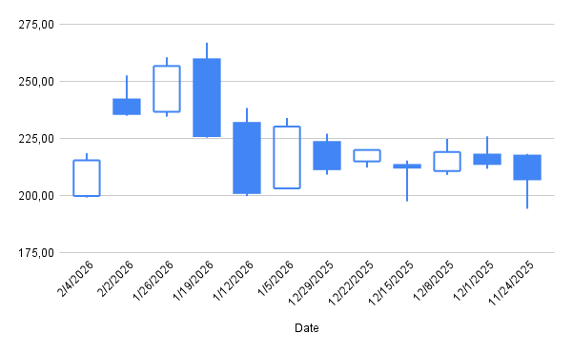
1/19/2026 | 226.08 | 266.96 | 225.41 | 259.68 | 259.68 | 192,184,200.00
1/12/2026 | 201.18 | 238.35 | 199.80 | 231.83 | 231.83 | 222,464,500.00
1/5/2026 | 230.25 | 234.02 | 203.07 | 203.17 | 203.17 | 153,412,100.00
12/29/2025 | 211.58 | 227.15 | 209.24 | 223.47 | 223.47 | 90,774,300.00
12/22/2025 | 220.00 | 220.17 | 212.28 | 214.99 | 214.99 | 68,972,400.00
12/15/2025 | 212.28 | 215.36 | 197.53 | 213.43 | 213.43 | 170,450,800.00
12/8/2025 | 219.09 | 224.84 | 209.06 | 210.78 | 210.78 | 147,157,200.00
12/1/2025 | 213.88 | 225.98 | 211.77 | 217.97 | 217.97 | 159,087,000.00
11/24/2025 | 207.16 | 218.30 | 194.28 | 217.53 | 217.53 | 178,451,300.00
11/17/2025 | 242.75 | 248.77 | 195.00 | 203.78 | 203.78 | 269,419,500.00
11/10/2025 | 242.14 | 263.51 | 234.64 | 246.81 | 246.81 | 324,474,600.00
11/3/2025 | 259.33 | 260.91 | 224.64 | 233.54 | 233.54 | 278,422,100.00
10/27/2025 | 257.88 | 267.08 | 249.80 | 256.12 | 256.12 | 242,009,100.00
10/20/2025 | 236.47 | 253.39 | 224.88 | 252.92 | 252.92 | 273,778,400.00
10/13/2025 | 220.20 | 241.20 | 214.90 | 233.08 | 233.08 | 368,331,900.00
10/6/2025 | 226.45 | 240.10 | 203.01 | 214.90 | 214.90 | 737,538,500.00
9/29/2025 | 160.12 | 171.06 | 159.33 | 164.67 | 164.67 | 207,567,600.00
9/22/2025 | 157.42 | 165.10 | 154.78 | 159.46 | 159.46 | 191,544,700.00
9/15/2025 | 160.01 | 162.30 | 149.85 | 157.39 | 157.39 | 246,576,600.00
9/8/2025 | 151.80 | 164.53 | 149.22 | 158.57 | 158.57 | 228,167,300.00
9/1/2025 | 158.42 | 164.75 | 150.18 | 151.14 | 151.14 | 179,768,400.00
8/25/2025 | 165.55 | 170.99 | 161.72 | 162.63 | 162.63 | 199,106,300.00
8/18/2025 | 176.76 | 178.80 | 158.25 | 167.76 | 167.76 | 242,504,800.00
8/11/2025 | 170.04 | 186.65 | 168.50 | 177.51 | 177.51 | 349,051,500.00
8/4/2025 | 174.61 | 177.99 | 157.80 | 172.76 | 172.76 | 439,716,300.00
7/28/2025 | 169.08 | 182.50 | 166.82 | 171.70 | 171.70 | 388,404,300.00
7/21/2025 | 157.62 | 167.18 | 149.34 | 166.47 | 166.47 | 231,432,400.00
7/14/2025 | 145.09 | 161.96 | 141.90 | 156.99 | 156.99 | 297,046,400.00
7/7/2025 | 136.56 | 147.40 | 133.50 | 146.42 | 146.42 | 221,683,400.00
6/30/2025 | 144.00 | 146.00 | 135.12 | 137.91 | 137.91 | 166,103,700.00
6/23/2025 | 130.47 | 147.75 | 126.82 | 143.81 | 143.81 | 338,450,100.00
6/16/2025 | 118.64 | 132.81 | 117.78 | 128.24 | 128.24 | 317,150,500.00
6/9/2025 | 119.18 | 124.47 | 115.06 | 116.16 | 116.16 | 213,812,600.00
6/2/2025 | 111.06 | 119.30 | 111.01 | 116.19 | 116.19 | 163,398,000.00
5/26/2025 | 113.18 | 115.54 | 108.62 | 110.73 | 110.73 | 131,958,600.00
5/19/2025 | 115.02 | 116.10 | 107.67 | 110.31 | 110.31 | 170,482,100.00
5/12/2025 | 110.42 | 122.52 | 106.98 | 117.17 | 117.17 | 280,209,500.00
5/5/2025 | 99.00 | 105.44 | 96.88 | 102.84 | 102.84 | 267,943,300.00
4/28/2025 | 95.58 | 100.10 | 91.87 | 98.80 | 98.80 | 140,437,400.00
4/21/2025 | 86.02 | 97.10 | 83.75 | 96.65 | 96.65 | 172,451,900.00
4/14/2025 | 97.11 | 97.37 | 85.30 | 87.50 | 87.50 | 161,029,900.00
4/7/2025 | 80.68 | 97.91 | 76.48 | 93.40 | 93.40 | 361,356,200.00
3/31/2025 | 100.24 | 104.19 | 83.67 | 85.76 | 85.76 | 191,502,000.00
3/24/2025 | 109.73 | 115.90 | 102.48 | 103.22 | 103.22 | 186,086,300.00
3/17/2025 | 102.60 | 108.26 | 101.96 | 106.44 | 106.44 | 160,769,500.00
3/10/2025 | 98.57 | 101.72 | 94.73 | 100.97 | 100.97 | 160,343,300.00
3/3/2025 | 101.52 | 103.18 | 95.89 | 100.31 | 100.31 | 183,209,800.00
2/24/2025 | 111.49 | 111.60 | 98.69 | 99.86 | 99.86 | 189,877,900.00
2/17/2025 | 114.05 | 116.55 | 110.43 | 110.84 | 110.84 | 129,101,300.00
2/10/2025 | 108.44 | 114.63 | 108.15 | 113.10 | 113.10 | 168,647,900.00
2/3/2025 | 115.45 | 119.85 | 106.50 | 107.56 | 107.56 | 276,306,400.00

cov
Date | INTC | AMD | dev INTC | dev AMD | Product |  | GROWTH | VALUE | Interpreting Covariance:
2/4/2026 | -3.65% | -17.45% | -0.06 | -0.19 | 0.0116 | Cov | 0.0014 |  | The positive sign (0.0014) indicates that the variables tend to move in the same direction. The magnitude is small because
2/2/2026 | 5.98% | 2.27% | 0.04 | 0.00 | 0.0001 | Correlation | 0.19 |  | it is calculated using decimal returns, making it hard to judge strength without the correlation coefficient.
1/26/2026 | 3.11% | -8.84% | 0.01 | -0.11 | -0.0009
1/19/2026 | -4.02% | 12.01% | -0.06 | 0.10 | -0.0063 | manual | 0.0014 | 0.19 | Interpreting Correlation Coefficient:
1/12/2026 | 3.10% | 14.11% | 0.01 | 0.12 | 0.0010 | stdve | 0.086 | 0.08 | The value 0.19 indicates a positive but weak linear relationship. In data analysis, this means that while AMD and INTC
1/5/2026 | 15.67% | -9.08% | 0.13 | -0.11 | -0.0149 |  |  |  | have a slight tendency to rise or fall together, one does not strongly predict the other.
12/29/2025 | 8.78% | 3.94% | 0.06 | 0.02 | 0.0012
12/22/2025 | -1.68% | 0.73% | -0.04 | -0.01 | 0.0005 |  |  |  | Practical Implications:
12/15/2025 | -2.62% | 1.26% | -0.05 | -0.01 | 0.0004 |  |  |  | Since the association is weak, these two assets do not move in lockstep. Recommendation: These stocks could provide some
AMD относительно параметра "INTC"
12/8/2025 | -8.69% | -3.30% | -0.11 | -0.05 | 0.0059 |  |  |  | diversification benefits in a portfolio because they are not perfectly correlated, meaning they don't always react the same way to market events.
12/1/2025 | 2.10% | 0.20% | 0.00 | -0.02 | 0.0000
11/24/2025 | 17.57% | 6.75% | 0.15 | 0.05 | 0.0072 |  |  |  | Using Charts to Estimate Correlation
11/17/2025 | -2.87% | -17.43% | -0.05 | -0.19 | 0.0101 |  |  |  | Scatter Plot Analysis:
11/10/2025 | -6.85% | 5.68% | -0.09 | 0.04 | -0.0033 |  |  |  | The dots are widely dispersed with no clear "line" or "upward slope" shape. This suggests weak to no correlation.
11/3/2025 | -4.65% | -8.82% | -0.07 | -0.11 | 0.0075 |  |  |  | The lack of a tight pattern justifies the low 0.19 correlation value
10/27/2025 | 4.47% | 1.27% | 0.02 | -0.01 | -0.0002
10/20/2025 | 3.43% | 8.51% | 0.01 | 0.06 | 0.0007 |  |  |  | Trendline Interpretation:
10/13/2025 | 1.76% | 8.46% | -0.01 | 0.06 | -0.0003 |  |  |  | A trendline would show a slight upward slope, confirming the positive (but weak) correlation.
10/6/2025 | -1.25% | 30.50% | -0.04 | 0.28 | -0.0101 |  |  |  | The slope indicates the average rate of change between the two variables.
9/29/2025 | 3.75% | 3.27% | 0.01 | 0.01 | 0.0002
9/22/2025 | 20.01% | 1.32% | 0.18 | -0.01 | -0.0013 |  |  |  | Correlation Visualization:
9/15/2025 | 22.84% | -0.74% | 0.21 | -0.03 | -0.0057 |  |  |  | A Scatter Plot is best. It is the only chart that directly maps one variable against the other on two axes (X and Y),
9/8/2025 | -1.67% | 4.92% | -0.04 | 0.03 | -0.0011 |  |  |  | making the density and direction of the relationship immediately visible.
9/1/2025 | 0.57% | -7.07% | -0.02 | -0.09 | 0.0016
8/25/2025 | -1.81% | -3.06% | -0.04 | -0.05 | 0.0021 |  |  |  | Comparing Patterns (Line Chart):
8/18/2025 | 0.98% | -5.49% | -0.01 | -0.08 | 0.0010 |  |  |  | By plotting both over time, you may see they occasionally "peak" or "dip" together. If they generally move in the same direction,
8/11/2025 | 23.11% | 2.75% | 0.21 | 0.01 | 0.0015 |  |  |  | it suggests a positive correlation. If one went up whenever the other went down, it would be negative.
8/4/2025 | 3.31% | 0.62% | 0.01 | -0.01 | -0.0001
7/28/2025 | -6.71% | 3.14% | -0.09 | 0.01 | -0.0010 |  |  |  | Heatmap Analysis:
7/21/2025 | -10.39% | 6.04% | -0.13 | 0.04 | -0.0051 |  |  |  | Look for high color intensity. Darker/brighter colors (usually deep red for +1 or deep blue for -1) indicate strong relationships.
7/14/2025 | -1.41% | 7.22% | -0.04 | 0.05 | -0.0019 |  |  |  | Faded or neutral colors indicate a correlation near 0 (no relationship).
7/7/2025 | 4.18% | 6.17% | 0.02 | 0.04 | 0.0008
6/30/2025 | -0.88% | -4.10% | -0.03 | -0.06 | 0.0020
6/23/2025 | 7.64% | 12.14% | 0.05 | 0.10 | 0.0054
6/16/2025 | 4.67% | 10.40% | 0.02 | 0.08 | 0.0020
6/9/2025 | 0.40% | -0.03% | -0.02 | -0.02 | 0.0004
6/2/2025 | 2.61% | 4.93% | 0.00 | 0.03 | 0.0001
5/26/2025 | -2.49% | 0.38% | -0.05 | -0.02 | 0.0008
5/19/2025 | -7.43% | -5.85% | -0.10 | -0.08 | 0.0077
5/12/2025 | 1.12% | 13.93% | -0.01 | 0.12 | -0.0014
5/5/2025 | 3.88% | 4.09% | 0.02 | 0.02 | 0.0003
4/28/2025 | 2.84% | 2.22% | 0.01 | 0.00 | 0.0000
4/21/2025 | 5.92% | 10.46% | 0.04 | 0.08 | 0.0030
4/14/2025 | -4.10% | -6.32% | -0.06 | -0.08 | 0.0054
4/7/2025 | -0.55% | 8.91% | -0.03 | 0.07 | -0.0020
3/31/2025 | -12.59% | -16.92% | -0.15 | -0.19 | 0.0282
3/24/2025 | -6.39% | -3.03% | -0.09 | -0.05 | 0.0044
3/17/2025 | 0.87% | 5.42% | -0.01 | 0.03 | -0.0005
3/10/2025 | 16.52% | 0.66% | 0.14 | -0.01 | -0.0020
3/3/2025 | -13.02% | 0.45% | -0.15 | -0.02 | 0.0024
2/24/2025 | -4.58% | -9.91% | -0.07 | -0.12 | 0.0082
2/17/2025 | 5.38% | -2.00% | 0.03 | -0.04 | -0.0012
2/10/2025 | 23.56% | 5.15% | 0.21 | 0.03 | 0.0066

ex chisq
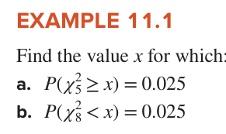
Solution
a) | 12.832501994 | 0.975
b) | 2.1797307473

test (1)
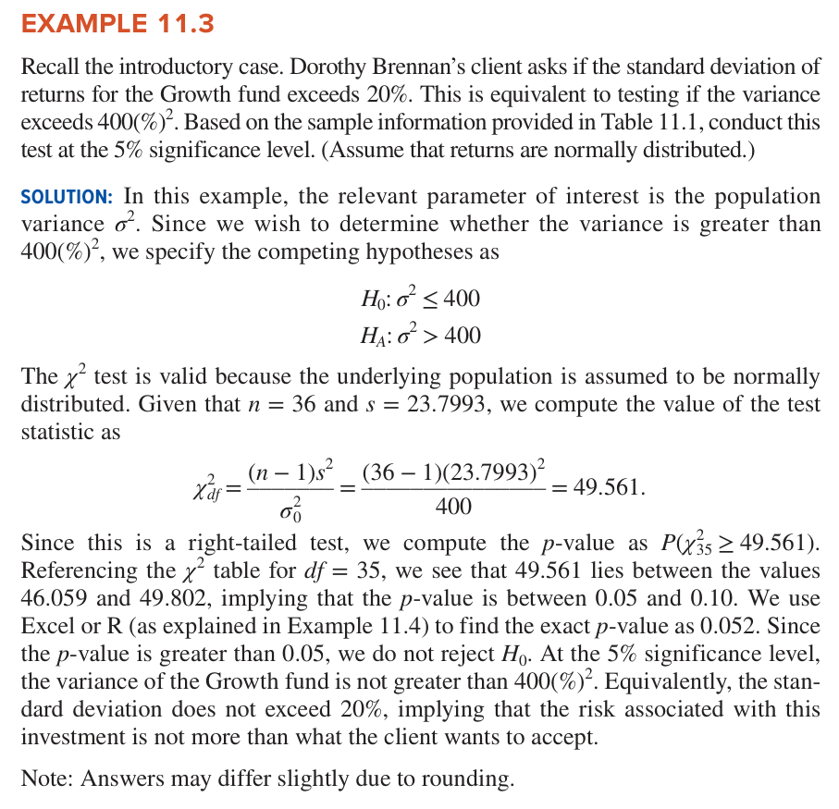
36
23.7993
0.05

Step | Result
Degrees of Freedom | 35
Test Statistic | 49.560584543
P-Value | 0.052399439043
Critical Value | 49.801849568

Do Not Reject H0 (Safe) | The risk does not significantly exceed 20%.

ci
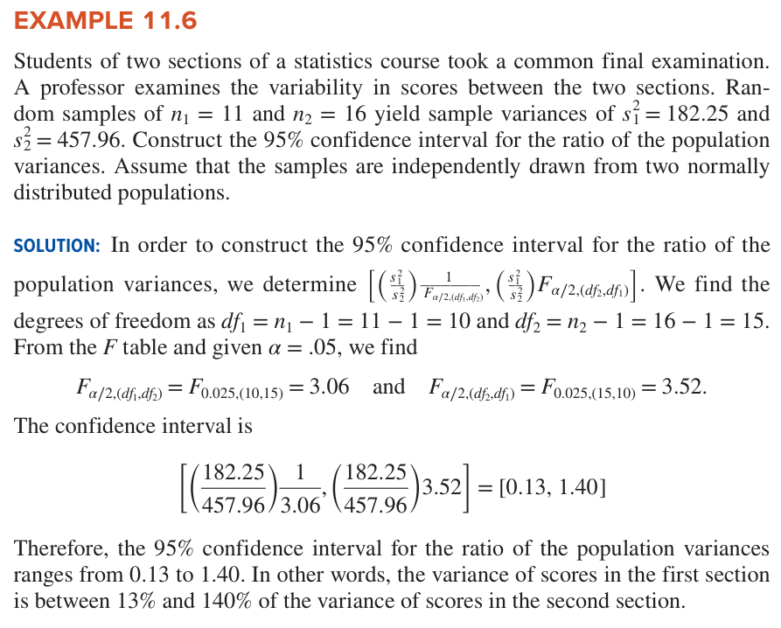
Metric | Result
F-value 1 | 3.0601968514
F-value 2 | 3.5216732412
Lower Limit | 0.1300524577
Upper Limit | 1.4008210324

test two pop var
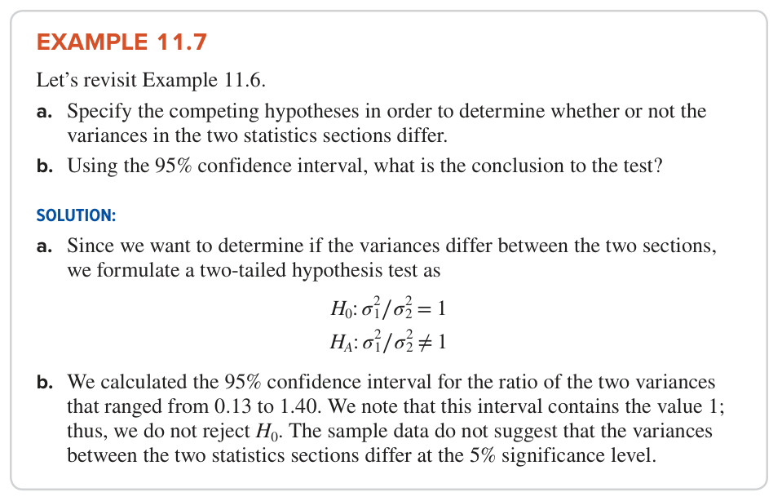
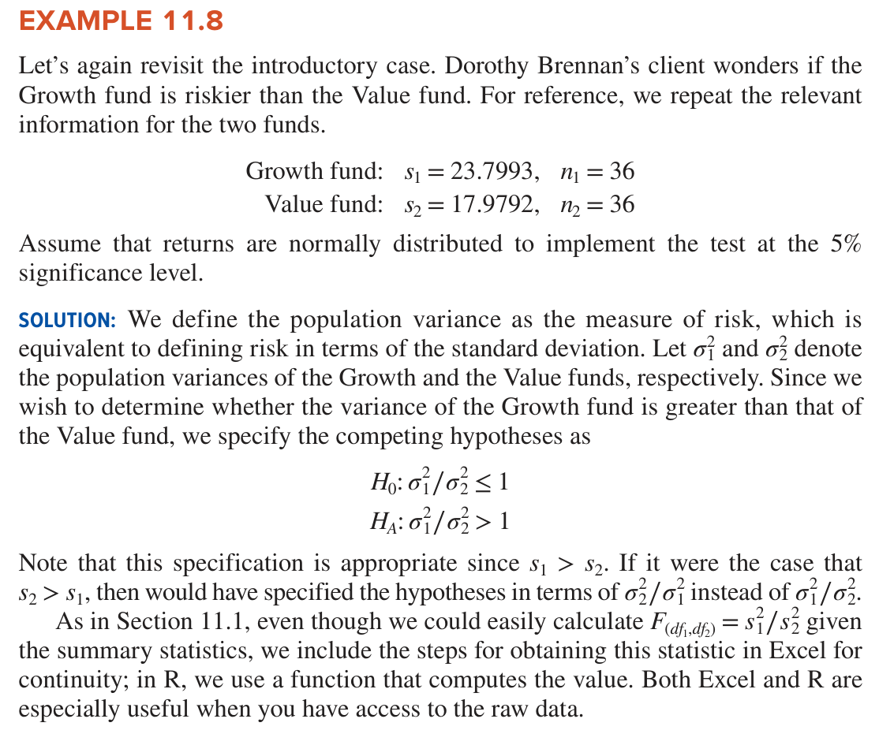
 | Metric | Result
 | F-stat | 1.752215993
 | df1 (Growth) | 35
 | df2 (Value) | 35
 | P-value | 0.050839309438

Since the value 1.0 is contained within the interval [0.13, 1.40], the difference in sample variances
(182.25 vs 457.96) is not large enough to prove the populations are different.
Decision: Do not reject H0.
Interpretation: The data does not suggest that the variances between the two statistics sections differ at the 5% significance level.

Sheet11
EXAMPLE 11.8 | Step | Example 11.3 (Single Fund) | Example 11.8 (Two Funds)
Let’s again revisit the introductory case. Dorothy Brennan’s client wonders if the | Test Statistic | 49.560584543 | 1.752215993
Growth fund is riskier than the Value fund. For reference, we repeat the relevant | P-Value | 0.052399439043 | 0.050842058047
information for the two funds. | Result | Do not reject H0 | Do not reject H0
Growth fund: s 1 = 23.7993, n 1 = 36
Value fund: s 2 = 17.9792, n 2 = 36 | Conclusion for Example 11.8: Since the P-value (0.051) is greater than the significance level alpha = 0.05, we do not reject the null hypothesis.
Assume that returns are normally distributed to implement the test at the 5% | This means we do not have enough statistical evidence to conclude that the Growth fund is riskier than the Value fund.
significance level.

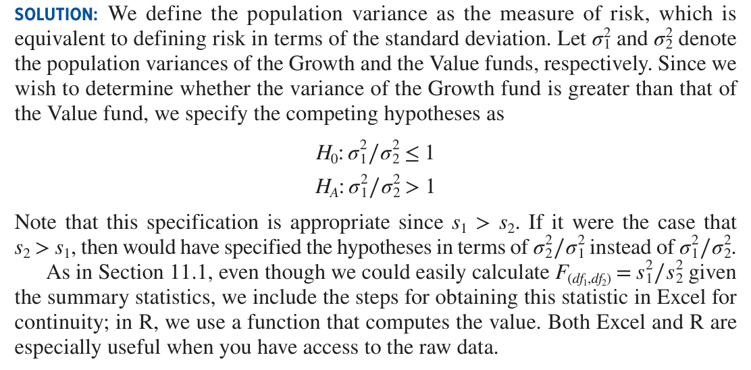

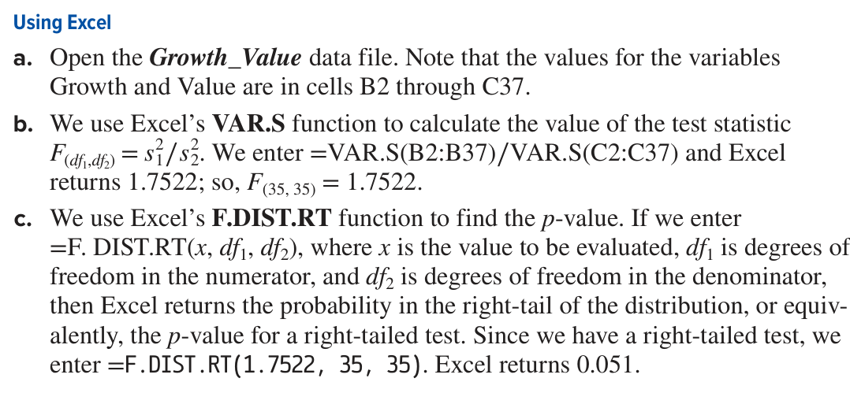
Using Excel
a. Open the Growth_Value data file. Note that the values for the variables
Growth and Value are in cells B2 through C37.
b. We use Excel’s VAR.S function to calculate the value of the test statistic
F (d f 1 ,d f 2 ) = s 1
2 ∕ s 2
2 . We enter =VAR.S(B2:B37)∕VAR.S(C2:C37) and Excel
returns 1.7522; so, F(35, 35) = 1.7522.
c. We use Excel’s F.DIST.RT function to find the p-value. If we enter
#NAME?
freedom in the numerator, and df2 is degrees of freedom in the denominator,
then Excel returns the probability in the right-tail of the distribution, or equiv-
alently, the p-value for a right-tailed test. Since we have a right-tailed test, we
enter =F.DIST.RT(1.7522, 35, 35). Excel returns 0.051.

Summary
We do not reject the null hypothesis because the p-value = 0.051 is more than
α = 0.05. Therefore, at the at the 5% significance level, we cannot conclude that the
Growth fund is riskier than the Value fund.
Note: As before, the p-value for a two-tailed can be found by multiplying the right-
tailed probability by two.

